Print Page 1
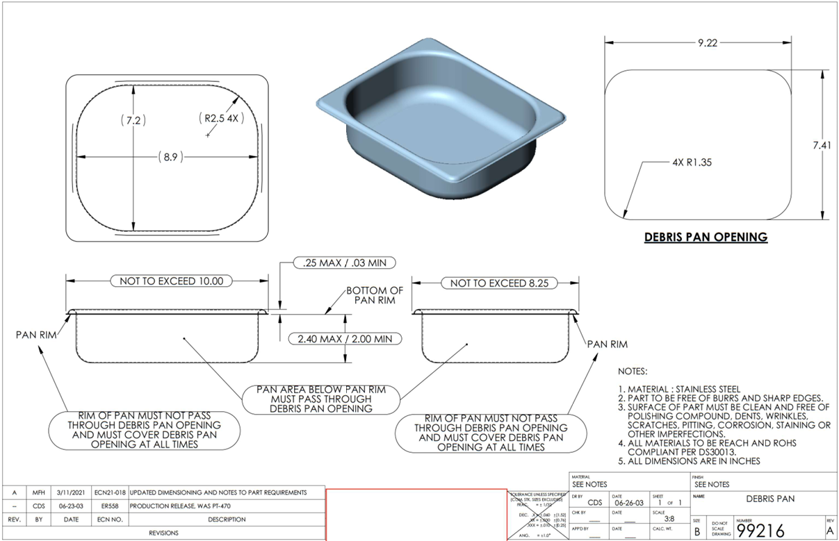
1

8
9
10
2

7

4

5
6

3

